English 204A Success
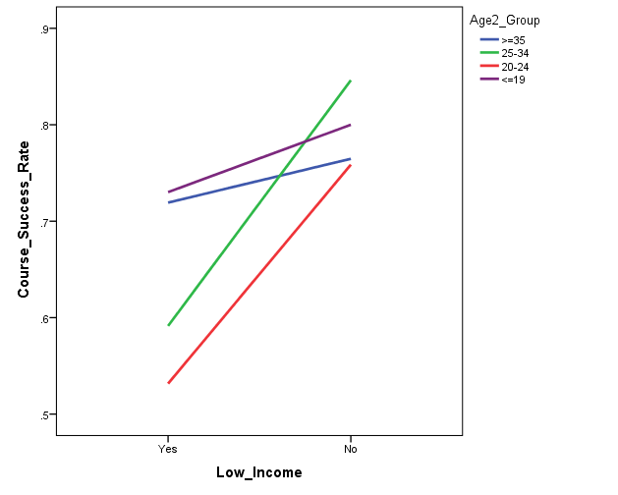
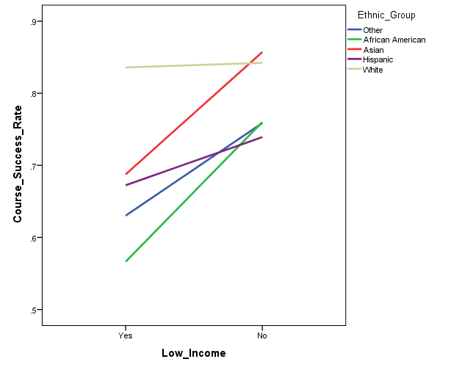
Basic Skills English Courses: Course Success (204A)
Fall 2013 to Fall 2014

Course | Total n | Success Rate
204A | 793 | 66.3%
204B | 69 | 53.6%

Logistic Regression Criteria:*
Predictors: Age, ethnicity, gender, income status
Outcome: Course success
Reference groups: Youngest (age <= 19 years), White, male, not low income

Model 1a: significant, explained 10% of the variance in course success
1) Age: Overall significant effect
Age 20-24 students are .44 times less likely to exhibit course success than youngest students
Age 25-34 students are .51 times less likely to exhibit course success than youngest students
2) Ethnicity: Overall significant effect |  |  | 20-24 and 25-34 age groups show lower success rates | African American and Hispanic students show lower success rate
African American students are .25 time less likely to exhibit course success than White students |  |  | than youngest group | than White students
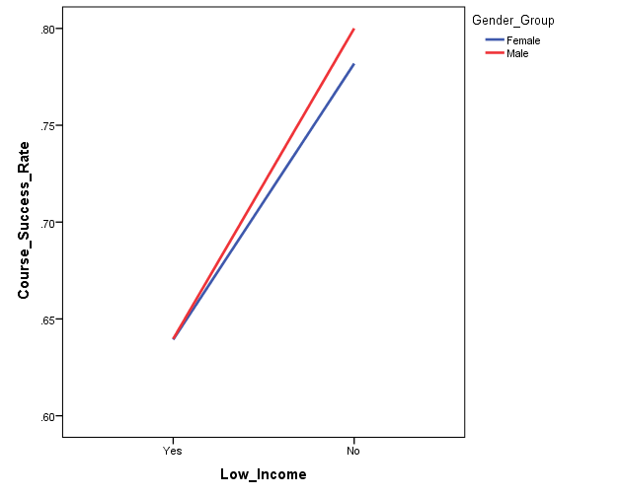
Hispanic students are.34 times less likely to exhibit course success than White students
3) Gender: No significant effect
4) Income: Overall significant effect
Low income students are .60 times less likely to exhibit course success than non-low income students

Model 2: not significant for CalWORKs, DSPS, EOPS, or Veterans
1) Foster youth (n = 9) are .07 times less likely to exhibit course success than non-foster youth

Model 3: Interaction between age and income, ethnicity and Income, or gender and income not significant
No significant interaction between ethnicity and gender

Model 1b:
1) Age: significant effect, 3.9% of variance
Age 20-24 students are .46 times less likely to exhibit course success than youngest students |  |  |  | Low income students show lower success rate than non-low
Age 25-34 students are .52 times less likely to exhibit course success than youngest students |  |  |  | income students
2) Ethnicity: significant effect, 4.7% of variance
African American students are .27 time less likely to exhibit course success than White students
Hispanic students are.41 times less likely to exhibit course success than White students
3) Gender: No significant effect
4) Income: significant effect, 2.0% of variance
Low income students are .48 times less likely to exhibit course success than non-low income students

* Note: Regression analyses with only 204A students,
204B sample size too small to breakdown by demographic variables

English 204A Persistence
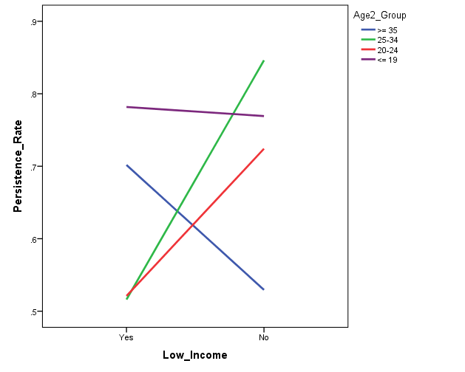
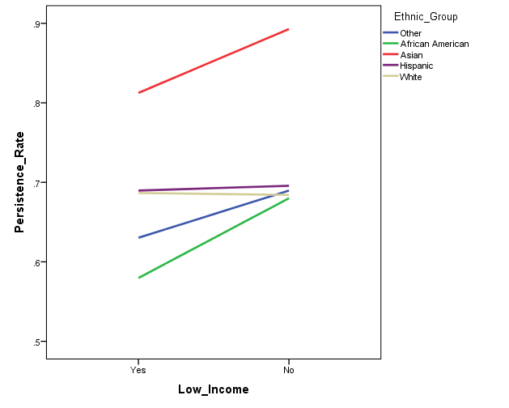
Basic Skills English Courses (204A): Persistence to the subsequent term within BCC
Fall 2013 to Spring 2015

Subsequent Term | Total n | Persistence Rate
204A | 793 | 65.2%
204B | 69 | 56.5%

One term persistence
Logistic Regression Criteria:*
Predictors: Age, ethnicity, gender, income status
Outcome: Persistence
Reference groups: Youngest (age <= 19 years), White, male, not low income

Model 1a: significant, explained 11.3% of the variance in persistence to the subsequent term
1) Age: Overall significant effect
Age 20-24 students are .39 times less likely to exhibit persistence than youngest students
Age 25-34 students are .38 times less likely to exhibit persistence than youngest students
Age >= 35 students are .56 times less likely to exhibit persistence than youngest students |  |  | All 3 older age groups show lower persistence than youngest age group | African American students show lower persistence than White students
2) Ethnicity: Overall significant effect |  |  |  | Asian students show higher persistence than White students
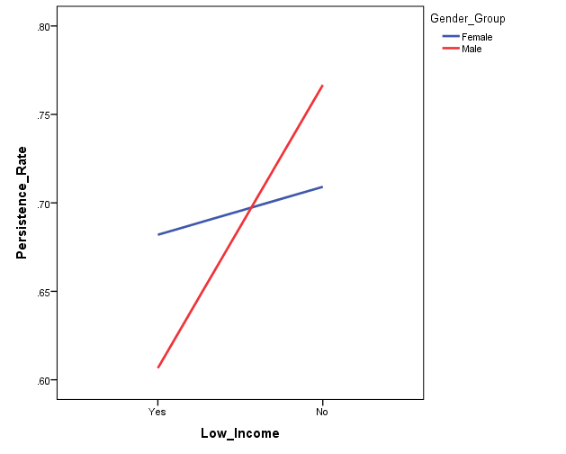
African American students are .60 times less likely to exhibit persistence than White students
Asian students are 2.14 times more likely to exhibit persistence than White students
3) Gender: No significant effect
4) Income: Overall significant effect
Unknown group only (.46)

Model 2: not significant for Foster Youth, Veterans
1) CalWORKs: (n = 21), CalWORKs students are 4.90 times more likely to exhibit persistence than non-CalWORKs students
2) DSPS (n = 72), DSPS students are 2.0 times more likely to exhibit persistence than non-DSPS students
3) EOPS: (n = 83), EOPS students are 3.58 times more likely to exhibit persistence than non-EOPS students

Model 3: Interaction between ethnic group and income, gender and income not significant
No significant interaction between ethnicity and gender
Significant age by income interaction

Model 1b:
1) Age: significant effect, 6.1% of variance
Age 20-24 students are .39 times less likely to exhibit persistence than youngest students
Age 25-34 students are .37 times less likely to exhibit persistence than youngest students
Age >= 35 students are .56 times less likely to exhibit persistence than youngest students
2) Ethnicity: significant effect, 4.4% of variance
Asian students are 2.60 times more likely to exhibit persistence than White students
3) Gender: No significant effect
4) Income: significant effect, 1.3% of variance
Unknown group only (.44)

*Persistence does not include students enrolled in 204A for Spring 15

Note: 204B sample size too small to breakdown by demographic variables

204A Transfer Course Attempt
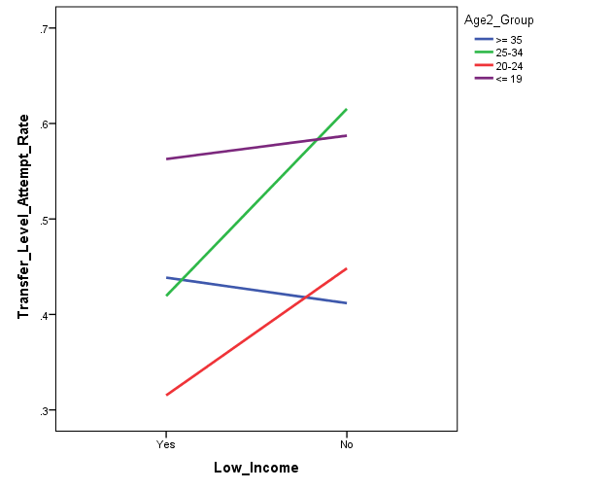
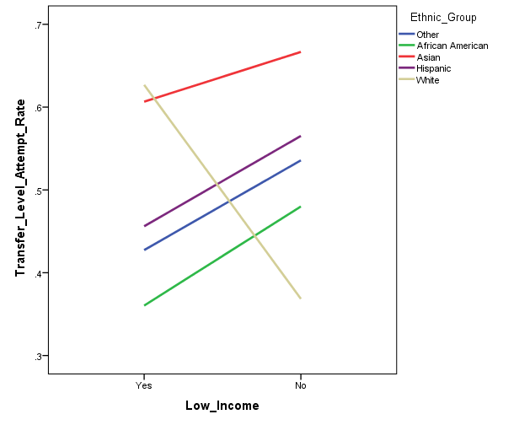
English 204A: Progression to Transfer Level Course (English 1A) Attempted
Fall 2013 to Fall 2014
Distinct headcount
Transfer level course attempts counted in all terms subsequent to English 204A
Subsequent attempts at any college in the district

 | Total n | Attempt Rate
Attempt | 780 | 44.6%

 |  | Transfer Level Course
English 204A | Total n | n | Attempt Rate
Fall 2013 | 316 | 174 | 55.1%
Spring 2014 | 217 | 85 | 39.2%
Fall 2014 | 247 | 89 | 36.0%

Logistic Regression Criteria:
Predictors: Age, ethnicity, gender, income status |  |  |  | All 3 older age groups show lower attempt rates | African American and Hispanic students show lower attempt rates
Outcome: Transfer level course attempted - all terms |  |  |  | than youngest group | than White students
Reference groups: Youngest (age <= 19 years), White, male, not low income

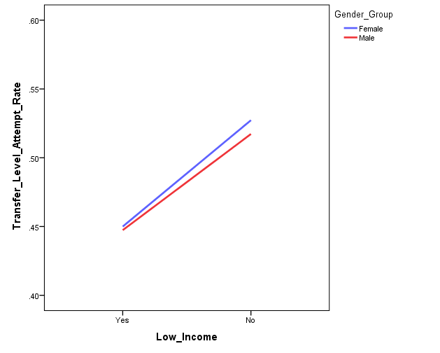
Model 1a: significant, explained 10.9% of the variance in transfer level course attempted
1) Age: Overall significant effect
Age 20-24 students are .39 times less likely to attempt transfer level course than youngest students
Age 25-34 students are .62 times less likely to attempt transfer level course than youngest students
Age >= 35 students are .52 times less likely to attempt transfer level course than youngest students
2) Ethnicity: Overall significant effect
African American students are .39 time less likely to attempt transfer level course than White students
Hispanic students are .51 times less likely to attempt transfer level course than White students
3) Gender: No significant effect
4) Income: Overall significant effect
Effect for unknown income group only (.38)

Model 2: not significant for CalWORKs, DSPS, Foster Youth, or Veterans
1) EOPS students (n = 82) are 2.04 times more likely to attempt transfer level course than non-EOPS students

Model 3: Interaction between age and income, ethnicity and Income, or gender and income not significant
No significant interaction between ethnicity and gender

Model 1b:
1) Age: significant effect, 4.2% of variance
Age 20-24 students are .43 times less likely to attempt transfer level course than youngest students
Age 25-34 students are .63 times less likely to attempt transfer level course than youngest students
Age >= 35 students are .58 times less likely to attempt transfer level course than youngest students
2) Ethnicity: significant effect, 4.5% of variance*
African American students are .45 time less likely to attempt transfer level course than White students
3) Gender: No significant effect
4) Income: significant effect, 2.1% of variance
Effect for unknown income group only (.35)

204A Transfer Course Success
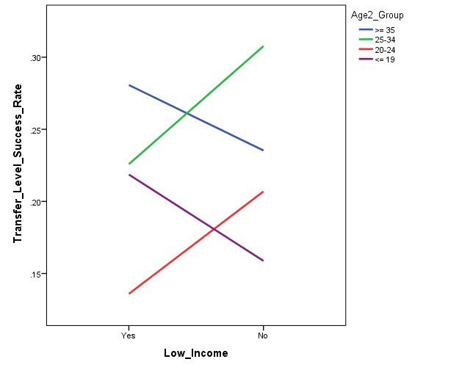
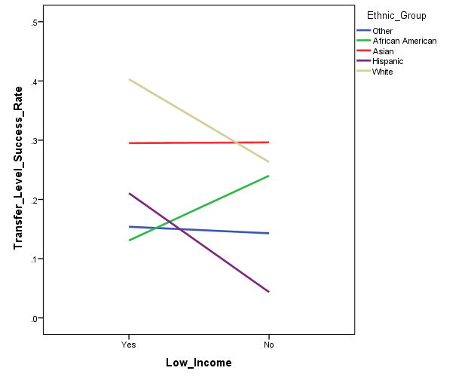
English 204A: Progression to Transfer Level Course (English 1A) Success
Fall 2013 to Fall 2014
Distinct headcount
Transfer level course attempts counted in all terms subsequent to English 204A course

 | Total n | Success Rate
Success | 780 | 18.2%

 | Transfer Level Course
English 204A | Total n | Success n | Success Rate
Fall 2013 | 316 | 98 | 31.0%
Spring 2014 | 217 | 44 | 20.3%
Fall 2014 | 247 | * | *

F13 to S14 Total | 533 | 142 | 26.6%

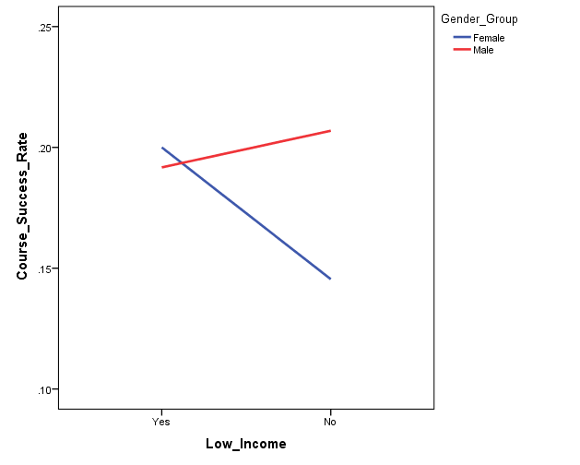
 | Transfer Level Course |  |  | African American and Hispanic students show lower success rates
English 204A | Attempted n | Success n | Success Rate | than White students
Fall 2013 | 174 | 98 | 56.3%
Spring 2014 | 85 | 44 | 51.8%
Fall 2014 | 89 | * | *

F13 to S14 Total | 259 | 142 | 54.8%
* no data, term in progress

Logistic Regression Criteria: Based on total n, not attempted n
Predictors: Age, ethnicity, gender, income status
Outcome: Transfer level course success - all terms
Reference groups: Youngest (age <= 19 years), White, male, not low income

Model 1a: significant, explained 11.9% of the variance in transfer level course success
1) Age: No significant effect
2) Ethnicity: Overall significant effect
African American students are .24 time less likely to exhibit success in transfer level course than White students
Hispanic students are .38 times less likely to exhibit success in transfer level course than White students
3) Gender: No significant effect
4) Income: Overall significant effect
Effect for unknown income group only (.13)

Model 2: not significant for CalWORKs, DSPS, EOPS, Foster Youth, or Veterans

Model 3: Interaction between age and income, ethnicity and Income, or gender and income not significant
No significant interaction between ethnicity and gender

Model 1b:
1) Age: No significant effect
2) Ethnicity: significant effect, 5.2% of variance
African American students are .29 time less likely to exhibit success in transfer level course than White students
Hispanic students are .39 times less likely to exhibit success in transfer level course than White students
3) Gender: No significant effect
4) Income: significant effect , 4.1% of variance
Effect for unknown income group only (.11)

TLC Attempted & Success
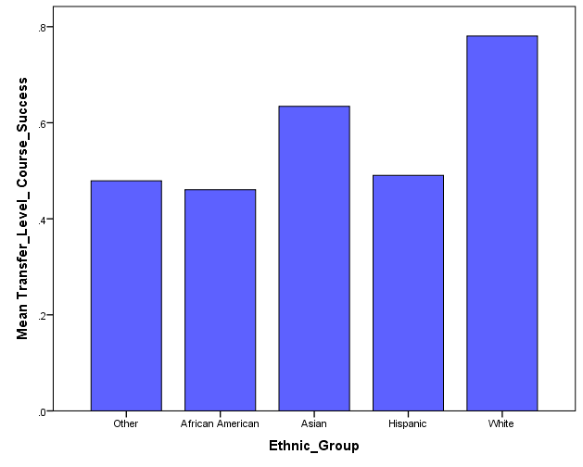
English 204A: Progression to Transfer Level Course (English 1A) Success
Fall 2013 to Spring 2014, ONLY students who attempted TLC
Distinct headcount
Transfer level course attempts counted in all terms subsequent to English 204A course

 | Attempted n | Success Rate
Success | 259 | 54.8%

 | Transfer Level Course
English 204A | Attempted n | Success n | Success Rate
Fall 2013 | 174 | 98 | 56.3%
Spring 2014 | 85 | 44 | 51.8%

Logistic Regression Criteria: Based on total n, not attempted n
Predictors: Age, ethnicity, gender, income status
Outcome: Transfer level course attempted and success
Reference groups: Youngest (age <= 19 years), White, male, not low income

Model 1a: significant, explained 10.3% of the variance in transfer level course success
1) Age: No significant effect
2) Ethnicity: Overall significant effect
African American students are .24 time less likely to exhibit success in transfer level course than White students
Hispanic students are .30 times less likely to exhibit success in transfer level course than White students
3) Gender: No significant effect
4) Income: No significant effect

Model 2: Sample sizes too small to assess special populations

Model 3: Sample sizes too small to assess interactions

Model 1b:
1) Age: No significant effect
2) Ethnicity: significant effect, 7.4% of variance
African American students are .26 time less likely to exhibit success in transfer level course than White students
Hispanic students are .27 times less likely to exhibit success in transfer level course than White students
3) Gender: No significant effect
4) Income: No significant effect

