Math Basic Skills Success
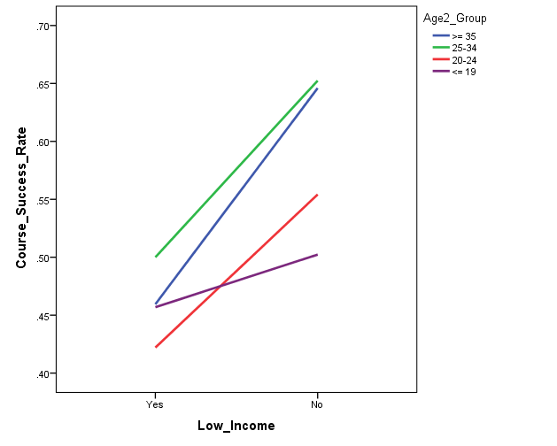
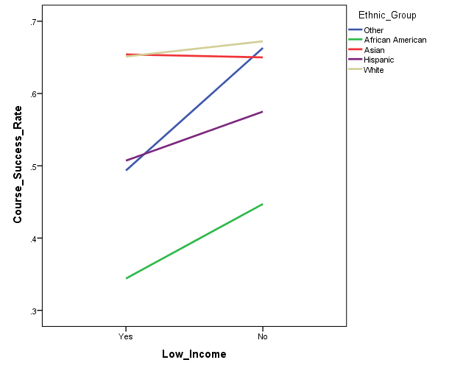
Basic Skills Math Courses: Course Success (250, 253)
Summer 2008 to Fall 2014

Course | Total n | Success Rate
250 | 2,084 | 44.6%
253 | 2,046 | 50.9%
Total | 4,130 | 47.7%

Logistic Regression Criteria:
Predictors: Age, ethnicity, gender, income status
Outcome: Course success rate
Reference groups: Youngest (age <= 19 years), White, male, not low income

Model 1a: significant, explained 8% of the variance in course success
1) Age: Overall significant effect |  |  | 25-34 and >=35 age groups show higher success rates | African American and Hispanic students show lower success rates
Age 25-34 students are 1.31 times more likely to exhibit course success than youngest students |  |  | than the youngest students | than White students
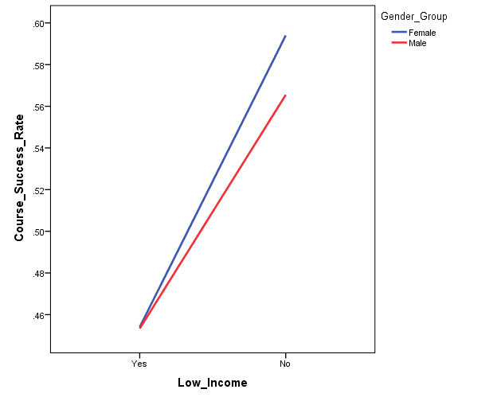
Age >= 35 students are 1.34 times more likely to exhibit course success than younger students
2) Ethnicity: Overall significant effect
African American students are .32 times less likely to exhibit course success than White students
Hispanic students are .63 times less likely to exhibit course success than White students
3) Gender: No significant effect
4) Income: Overall significant effect
Low income students are .71 times less likely to exhibit course success than non-low income students

Model 2: Not significant for CalWORKs, Foster Youth, or Veterans
1) DSPS students (n=329) are .70 times less likely to exhibit course success than non-DSPS students
2) EOPS students (n=431) are .78 times less likely to exhibit course success than non-EOPS students

Model 3: Interaction between age and income, ethnic group and Income, or gender and income not significant
No significant interaction between ethnicity and gender |  |  |  |  | Lower income students show lower success rate
 |  |  |  |  | than non-low income students

Model 1b:
1) Age: significant effect, 0.7% of variance |  |  | 25-34 and >=35 age groups show higher success rates
Age 25-34 students are 1.32 times more likely to exhibit course success than youngest students |  |  | than the youngest students
Age >= 35 students are 1.27 times more likely to exhibit course success than younger students
2) Ethnicity: significant effect, 6.6% of variance
African American students are .29 times less likely to exhibit course success than White students
Hispanic students are .56 times less likely to exhibit course success than White students
3) Gender: No significant effect
4) Income: significant effect, 1.6% of variance
Low income students are .59 times less likely to exhibit course success than non-low income students

Math Basic Skills Persistence
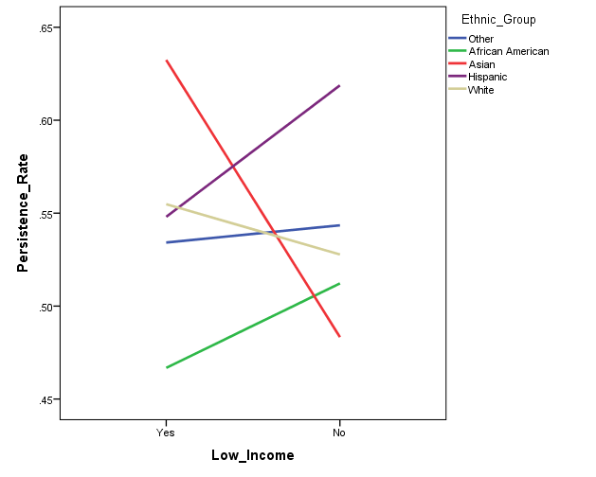
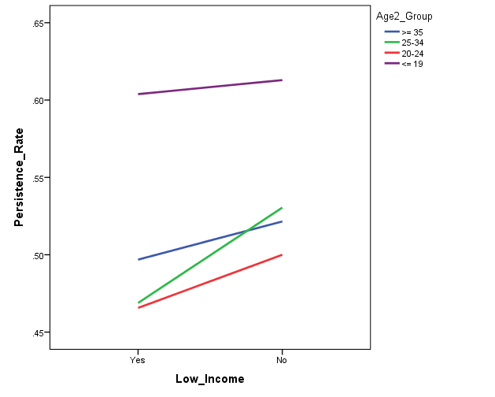
Basic Skills Math Courses: Persistence to the subsequent term (250, 253) within BCC
Summer 2008 to Spring 2015

Subsequent Term | Total n | Persistence Rate
250 | 2,084 | 53.0%
253 | 2,046 | 50.3%
Total | 4,130 | 51.7%

One term persistence
Logistic Regression Criteria:
Predictors: Age, ethnicity, gender, income status
Outcome: Persistence rate
Reference groups: Youngest (age <= 19 years), White, male, not low income

The logistic regression model was significant.
Model 1a: explained 2.8% of the variance in persistence to the subsequent term
1) Age: Overall significant effect |  |  | All 3 older age groups show lower persistence than youngest age group | African American students show lower persistence rate
Age 20-24 students are .61 times less likely to exhibit persistence than youngest students |  |  |  | than White students
Age 25-34 students are .62 times less likely to exhibit persistence than youngest students
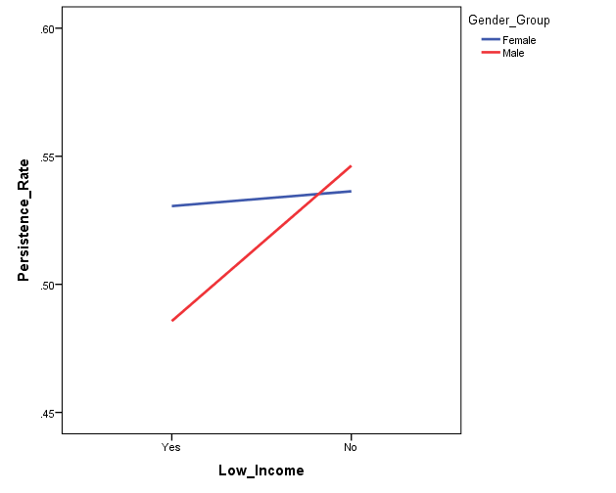
Age >= 35 students are .69 times less likely to exhibit persistence than youngest students
2) Ethnicity: Overall significant effect
African American students are .69 times less likely to exhibit persistence than White students
3) Gender: Overall significant effect
Female students are 1.18 times more likely to exhibit persistence than male students
4) Income: Not significant

Model 2: Not significant for CalWORKs, Veterans, or Foster Youth
1) DSPS students (n=329) are 1.78 times more likely to exhibit persistence than non-DSPS students
2) EOPS students (n=427) are 2.77 times more likely to exhibit persistence than non-EOPS students

Model 3: Interaction between age and income, gender and income not significant
1) Significant ethnicity by income interaction, p < .05 (significant effect for unknown income group)
No significant interaction between ethnicity and gender
 |  |  | Female students show higher persistence than male students
Model 1b:
1) Age: significant effect, 1.6% of variance
Age 20-24 students are .60 times less likely to exhibit persistence than youngest students
Age 25-34 students are .62 times less likely to exhibit persistence than youngest students
Age >= 35 students are .69 times less likely to exhibit persistence than youngest students
2) Ethnicity: significant effect, 1.0% of variance
African American students are .71 times less likely to exhibit persistence than White students
3) Gender: significant effect, 0.2% of variance
Female students are 1.16 times more likely to exhibit persistence than male students
4) Income: Not significant

*Persistence does not include students enrolled in basic skills courses for Spring 15

Math BS Transfer Course Attempt
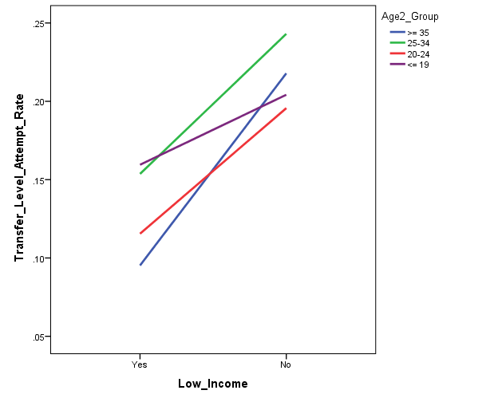
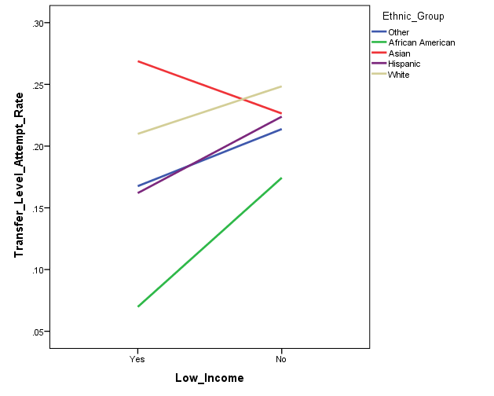
Math 250, 253: Progression to Transfer Level Courses Attempted
Summer 2008 to Fall 2014 (all terms)
Distinct headcount
Transfer level course attempts counted in all terms subsequent to Math 250 or 253
Subsequent attempts at any college in the district

 |  | Transfer Level Course
Math 250, 253 | Total n | n | Attempt Rate
1 Term | 3,385 | 35 | 1.0%
2 Terms | 3,385 | 137 | 4.0%
3 Terms | 3,385 | 288 | 8.5%
4 Terms | 3,385 | 360 | 10.6%
5 Terms | 3,385 | 423 | 12.5%
All Terms | 3,385 | 503 | 14.9%
Note: # terms = subsequent # of primary terms

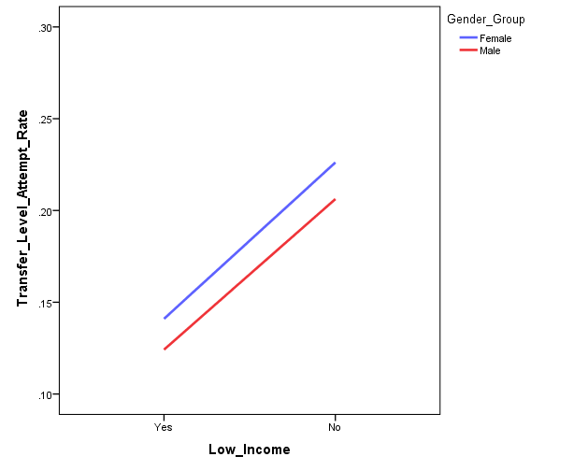
Logistic Regression Criteria: |  |  |  | 20-24 age group show lower attempt rate than youngest age group
Predictors: Age, ethnicity, gender, income status |  |  |  |  | African American students show lower attempt rate
Outcome: Transfer level course attempted - all terms |  |  |  |  | than White students
Reference groups: Youngest (age <= 19 years), White, male, not low income

Model 1a: significant, explained 5.9% of the variance in transfer level course attempted
1) Age: Marginally significant effect (p=.06) |  |  |  |  | Low income students show lower attempt rate than non-low income students
Age 20-24 students are .75 times less likely to attempt transfer level course than youngest students
2) Ethnicity: Overall significant effect
African American students are .36 time less likely to attempt transfer level course than White students
3) Gender: Marginally significant effect (p=.064)
Female students are 1.28 times more likely to attempt transfer level course than male students
4) Income: Overall significant effect
Low income students are .65 times less likely to attempt transfer level course than non-low income students

Model 2: not significant for CalWORKs, DSPS, EOPS, Foster Youth, or Veterans

Model 3: Interaction between gender and income not significant
No significant interaction between ethnicity and gender |  |  |  | Female students show higher attempt rate than male students
Marginally significant interaction between ethnicity and income (p = .06): African American low income students
Marginally significant interaction between age and income (p = .08): >= 35 age group low income

Model 1b:
1) Age: significant effect, 0.4% of variance
Age 20-24 students are .75 times less likely to attempt transfer level course than youngest students
2) Ethnicity: significant effect, 4.4% of variance*
African American students are .33 time less likely to attempt transfer level course than White students
Hispanic students are .72 time less likely to attempt transfer level course than White students*
3) Gender: not significant effect
4) Income: significant effect, 1.5% of variance
Low income students are .57 times less likely to attempt transfer level course than non-low income students

Math BS Transfer Course Success
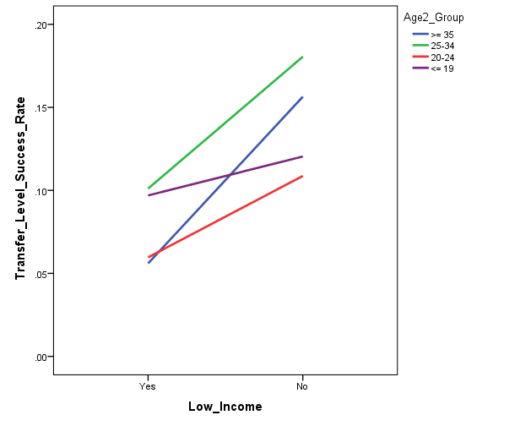
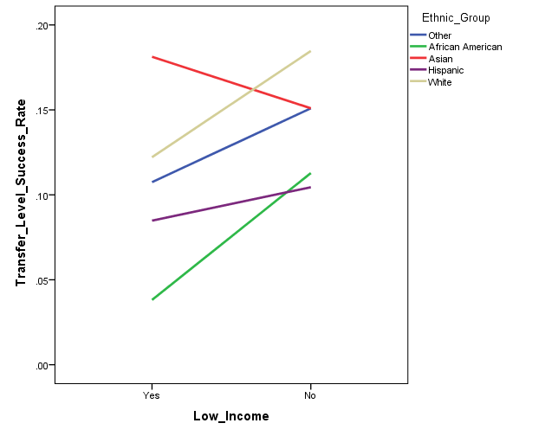
Math 250, 253: Progression to Transfer Level Courses Success
Summer 2008 to Fall 2014 (all terms)
Distinct headcount
Transfer level course attempts counted in all terms subsequent to Math 250 or 253

 | Transfer Level Course
Math 250, 253 | Total n | Success n | Success Rate
1 Term | 3,385 | 20 | 0.6%
2 Terms | 3,385 | 68 | 2.0%
3 Terms | 3,385 | 162 | 4.8%
4 Terms | 3,385 | 207 | 6.1%
5 Terms | 3,385 | 254 | 7.5%
All Terms | 3,385 | 307 | 9.1%

 | Transfer Level Course
Math 250, 253 | Attempted n | Success n | Success Rate
1 Term | 35 | 20 | 57.1%
2 Terms | 137 | 68 | 49.6% | 20-24 age group show lower success rate than youngest age group | African American and Hispanic students show lower success rates
3 Terms | 288 | 162 | 56.3% |  | than White students
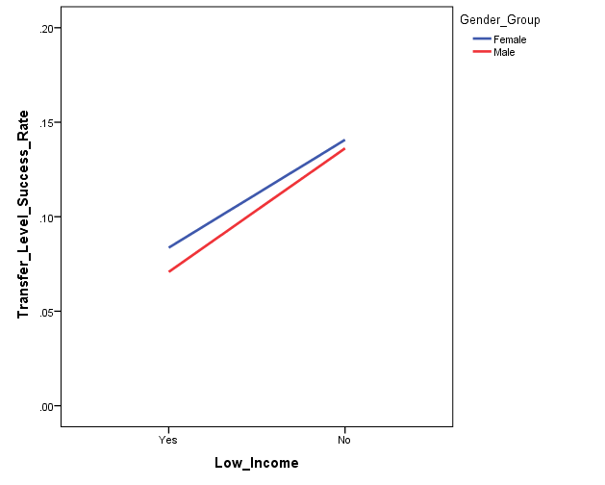
4 Terms | 362 | 207 | 57.2%
5 Terms | 423 | 254 | 60.0%
All terms | 503 | 307 | 61.0%
Note: # terms = subsequent # of primary terms

Logistic Regression Criteria: Based on total n, not attempted n
Predictors: Age, ethnicity, gender, income status
Outcome: Transfer level course success - all terms
Reference groups: Youngest (age <= 19 years), White, male, not low income

Model 1a: significant, explained 6.5% of the variance in transfer level course success
1) Age: Overall significant effect
Age 20-24 students are .64 times less likely to exhibit success in transfer level course than youngest students
2) Ethnicity: Overall significant effect
African American students are .32 time less likely to exhibit success in transfer level course than White students
Hispanic students are .60 times less likely to exhibit success in transfer level course than White students
3) Gender: No significant effect
4) Income: Overall significant effect
Low income students are .63 times less likely to exhibit success in transfer level course than non-low income students

Model 2: not significant for CalWORKs, DSPS, EOPS, Foster Youth, or Veterans

Model 3: Interaction between age and income, ethnicity and Income, or gender and income not significant
No significant interaction between ethnicity and gender

Model 1b:
1) Age: significant effect, 0.9% of variance
Age 20-24 students are .65 times less likely to exhibit success in transfer level course than youngest students
2) Ethnicity: significant effect, 4.5% of variance
African American students are .29 time less likely to exhibit success in transfer level course than White students
Hispanic students are .56 times less likely to exhibit success in transfer level course than White students
3) Gender: No significant effect
4) Income: significant effect, 1.5% of variance
Low income students are .54 times less likely to exhibit success in transfer level course than non-low income students

Math BS TLC attempt & Success
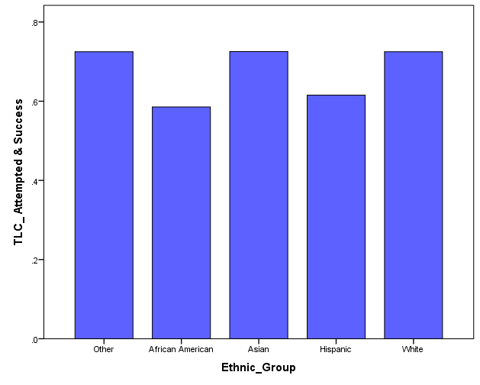
Math 250, 253: Progression to Transfer Level Courses Success
Summer 2008 to Spring 2013, ONLY students who attempted TLC
Distinct headcount
Transfer level course attempts counted in all terms subsequent to Math 250 or 253

 | Transfer Level Course
Math 250, 253 | Attempted n | Success n | Success Rate
M08 to S13 | 440 | 295 | 67.0%

Logistic Regression Criteria: Based on total n, not attempted n
Predictors: Age, ethnicity, gender, income status
Outcome: Transfer level course attempted and success
Reference groups: Youngest (age <= 19 years), White, male, not low income

Model 1a: Not significant
1) Age: No significant effect
2) Ethnicity: No significant effect
3) Gender: No significant effect
4) Income: No significant effect

Model 2: not significant for CalWORKs, DSPS, EOPS, Foster Youth, or Veterans

Model 3: Interaction between age and income, ethnicity and Income, or gender and income not significant
No significant interaction between ethnicity and gender

Model 1b:
1) Age: No significant effect
2) Ethnicity: Marginally significant effect, 2.5% of variance
African American students are .54 time less likely to exhibit success in transfer level course than White students
3) Gender: No significant effect
4) Income: No significant effect

Math Pre-transfer Success
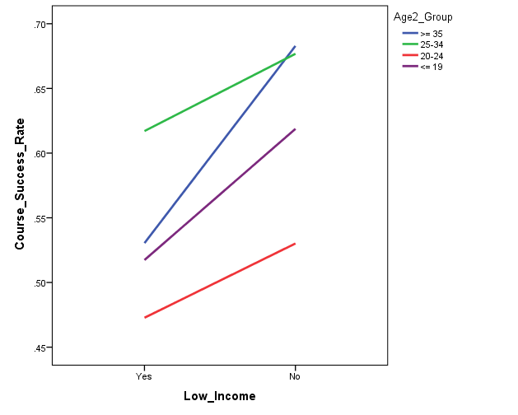
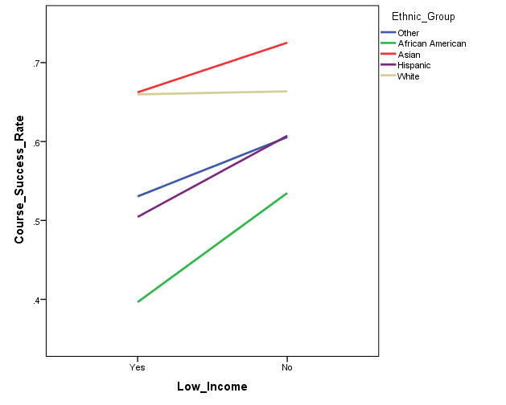
Pre-transfer Math Courses: Course Success (201, 203, 206)
Summer 2008 to Fall 2014

Course | Total n | Success Rate
201 | 4,163 | 49.2%
203 | 3,932 | 62.2%
206 | 343 | 56.9%
Total | 8,438 | 55.6%

Logistic Regression Criteria:
Predictors: Age, ethnicity, gender, income status
Outcome: Transfer level course success
Reference groups: Youngest (age <= 19 years), White, male, not low income

Model 1a: significant, explained 6.4% of the variance in course success |  |  | 20-24 age group shows lower success rate than youngest age group | African American and Hispanic students show lower success
1) Age: Overall significant effect |  |  | 25-34 and >= 35 age groups show higher success rates | rates than White students
Age 20-24 students are .77 times less likely to exhibit course success than youngest students |  |  | than youngest age group
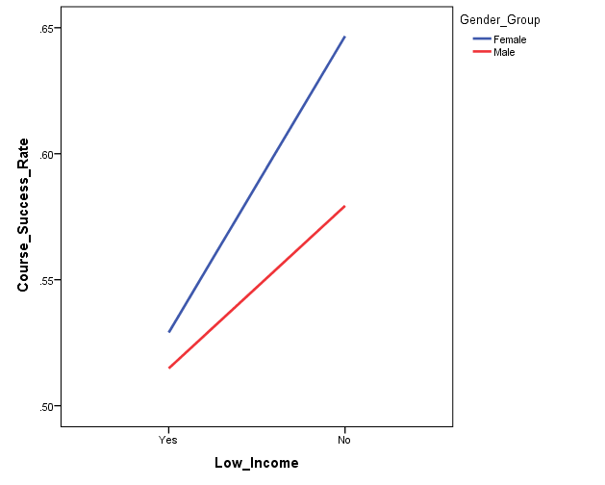
Age 25-34 students are 1.33 times more likely to exhibit course success than youngest students
Age >= 35 students are 1.22 times more likely to exhibit course success than youngest students
2) Ethnicity: Overall significant effect
African American students are .40 times less likely to exhibit course success than White students |  |  |  | Lower income students show lower success rate than
Hispanic students are .63 times less likely to exhibit course success than White students |  |  |  | non-low income students
3) Gender: Overall significant effect
Female students are 1.19 times more likely to exhibit course success than male students
4) Income: Overall significant effect
Low income students are .76 times less likely to exhibit course success than non-low income students

Model 2: Not significant for DSPS, CalWORKs, Foster Youth, or Veterans
1) EOPS students (n=603) are .74 times less likely to exhibit course success than non-EOPS students

Model 3: Interaction between age and income, ethnicity and Income, gender and income not significant
Except for age by income: Unknown income group
No significant interaction between ethnicity and gender |  |  | Female students show higher success rate than male students

Model 1b:
1) Age: significant effect, 1.7% of variance
Age 20-24 students are .76 times less likely to exhibit course success than youngest students
Age 25-34 students are 1.35 times more likely to exhibit course success than youngest students
Age >= 35 students are 1.21 times more likely to exhibit course success than youngest students
2) Ethnicity: significant effect, 4.0% of variance
African American students are .40 times less likely to exhibit course success than White students
Hispanic students are .60 times less likely to exhibit course success than White students
3) Gender: significant effect, 1.0% of variance
Female students are 1.13 times more likely to exhibit course success than male students
4) Income: significant effect, 1.1% of variance
Low income students are .67 times less likely to exhibit course success than non-low income students

Math Pre-transfer Persistence
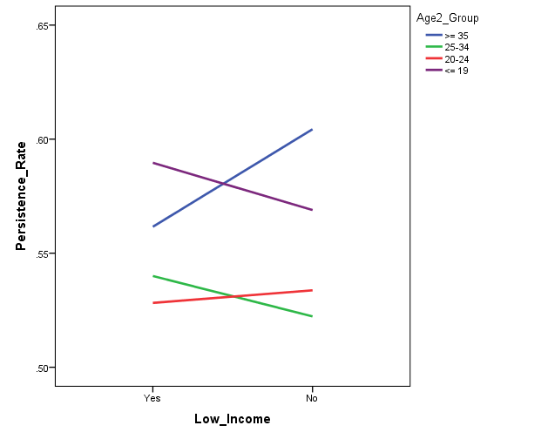
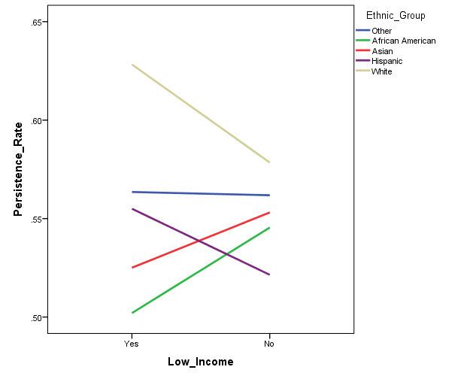
Pre-transfer Math Courses: Persistence to the subsequent term (201, 203, 206) within BCC
Summer 2008 to Spring 2015 (n = 8,438)

Subsequent Term | Total n | Persistence Rate
201 | 4,163 | 54.7%
203 | 3,932 | 53.1%
206 | 343 | 69.1%
Total | 8,438 | 54.5%

One term persistence
Logistic Regression Criteria:
Predictors: Age, ethnicity, gender, income status
Outcome: Course completion
Reference groups: Youngest (age <= 19 years), White, male, not low income

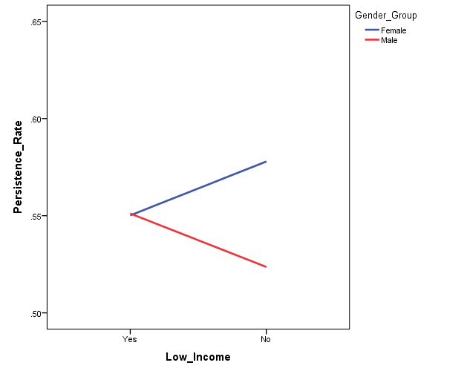
Model 1a: significant, explained 1.6% of the variance in persistence to the subsequent term |  |  | 20-24 and 25-34 age groups show lower persistence | African American, Asian, and Hispanic students show lower
1) Age: Overall significant effect |  |  | than the youngest students | persistence than White students
Age 20-24 students are .82 times less likely to exhibit persistence than youngest students
Age 25-34 students are .81 times less likely to exhibit persistence than youngest students
2) Ethnicity: Overall significant effect
African American students are .67 times less likely to exhibit persistence than White students
Asian students are .74 times less likely to exhibit persistence than White students
Hispanic students are .76 times less likely to exhibit persistence than White students
3) Gender: No overall significant effect
4) Income: Overall significant effect
significant for unknown income group only

Model 2: Not significant for Foster Youth or Veterans
1) CalWORKs students (n=95) are 2.28 times more likely to exhibit persistence than non-CalWORKs students
2) DSPS students (n=392) are 2.02 times more likely to exhibit persistence than non-DSPS students
3) EOPS students (n=600) are 3.92 times more likely to exhibit persistence than non-EOPS students

Model 3: Interaction between age and income, ethnic group and Income, gender and income not significant
No significant interaction between ethnicity and gender

Model 1b:
1) Age: significant effect, 2.0% of variance
Age 20-24 students are .89 times less likely to exhibit persistence than youngest students
Age 25-34 students are .86 times less likely to exhibit persistence than youngest students
2) Ethnicity: significant effect, 6.0% of variance
African American students are .68 times less likely to exhibit persistence than White students
Asian students are .76 times less likely to exhibit persistence than White students
Hispanic students are .76 times less likely to exhibit persistence than White students
3) Gender: No overall significant effect
4) Income: significant effect, 0.7% of variance
significant for unknown income group only

*Persistence does not include students enrolled in pre-transfer level courses for Spring 15

Pretran Transfer Course Attempt
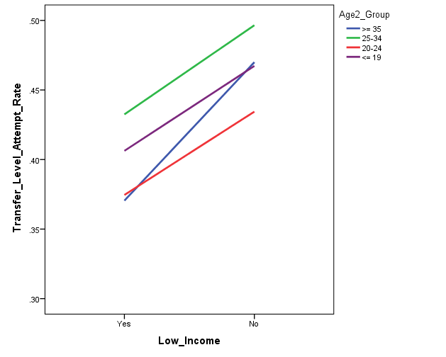
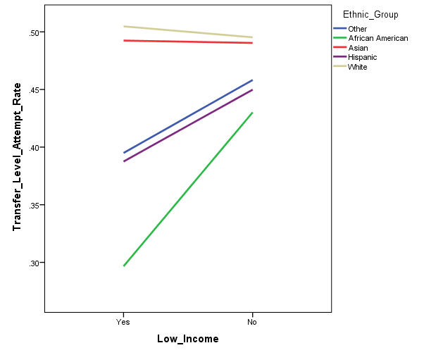
Pre-transfer Math courses (201, 203, 206): Progression to Transfer Level Courses Attempted
Summer 2008 to Fall 2014 (all terms)
Distinct headcount
Transfer level course attempts counted in all terms subsequent to Math 201, 203 or 206
Subsequent attempts at any college in the district

 |  | Transfer Level Course
Math 201, 203, 206 | Total n | n | Attempt Rate
1 Term | 5,898 | 1,824 | 30.9%
2 Terms | 5,898 | 2,095 | 35.5%
3 Terms | 5,898 | 2,247 | 38.1%
4 Terms | 5,898 | 2,307 | 39.1%
5 Terms | 5,898 | 2,360 | 40.0%
All Terms | 5,898 | 2,434 | 41.3%
Note: # terms = subsequent # of primary terms

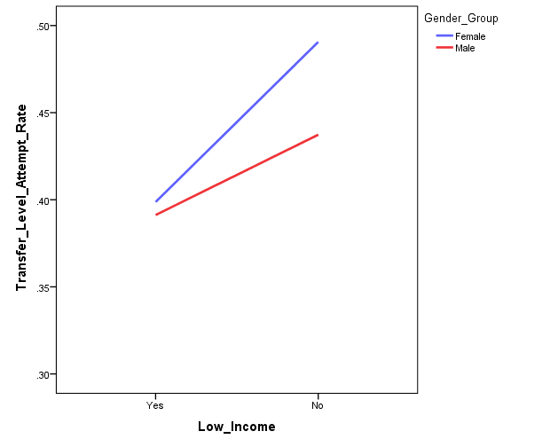
Logistic Regression Criteria:
Predictors: Age, ethnicity, gender, income status |  |  |  | 20-24 age group show lower attempt rate than youngest age group |  | African American and Hispanic students show lower attempt rates
Outcome: Transfer level course attempted - all terms |  |  |  |  |  | than White students
Reference groups: Youngest (age <= 19 years), White, male, not low income

Model 1a: significant, explained 3.1% of the variance in transfer level course attempted
1) Age: Overall significant effect |  |  |  |  |  | Low income students show lower attempt rate than non-low income students
Age 20-24 students are .87 times less likely to attempt transfer level course than youngest students
2) Ethnicity: Overall significant effect
African American students are .51 time less likely to attempt transfer level course than White students
Hispanic students are.70 times less likely to attempt transfer level course than White students
3) Gender: Overall significant effect
Female students are 1.15 time more likely to attempt transfer level course than male students
4) Income: Overall significant effect
Low income students are .81 time less likely to attempt transfer level course than non-low income students

Model 2: not significant for CalWORKs, DSPS, EOPS, Foster Youth, or Veterans

Model 3: Interaction between age and income, or gender and income not significant
No significant interaction between ethnicity and gender |  |  |  |  | Female students show higher attempt rate than male students
Marginally significant interaction between ethnicity and income (p = .07): African American low income students

Model 1b:
1) Age: significant effect, 0.3% of variance*
Age 25-34 students are 1.16 times more likely to attempt transfer level course than youngest students*
2) Ethnicity: significant effect, 2.1% of variance
African American students are .49 time less likely to attempt transfer level course than White students
Hispanic students are .68 times less likely to attempt transfer level course than White students
3) Gender: No significant effect*
4) Income: significant effect, 1.0% of variance
Low income students are .75 time less likely to attempt transfer level course than non-low income students

Pretran Transfer Course Success
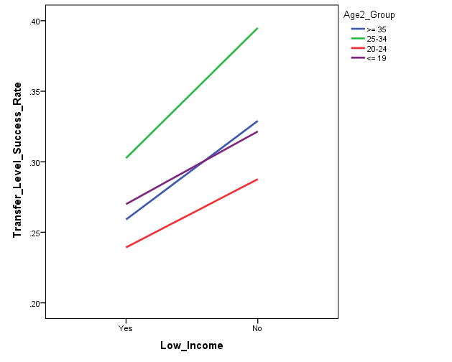
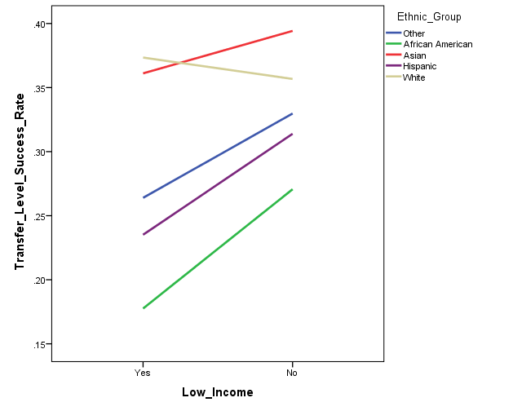
Pre-transfer Math courses (201, 203, 206): Progression to Transfer Level Courses Success
Summer 2008 to Fall 2014 (all terms)
Distinct headcount
Transfer level course attempts counted in all terms subsequent to Math 201, 203 or 206

 | Transfer Level Course
Math 201, 203, 206 | Total n | Success n | Success Rate
1 Term | 5,898 | 1,062 | 18.0%
2 Terms | 5,898 | 1,290 | 21.9%
3 Terms | 5,898 | 1,469 | 24.9%
4 Terms | 5,898 | 1,532 | 26.0%
5 Terms | 5,898 | 1,574 | 26.7%
All Terms | 5,898 | 1,645 | 27.9%

 | Transfer Level Course
Math 201, 203, 206 | Attempted n | Success n | Success Rate
1 Term | 1,824 | 1,062 | 58.2% | 25-34 age group show higher success rate than youngest age group | African American and Hispanic students show lower success
2 Terms | 2,095 | 1,290 | 61.6% |  | rates than White students
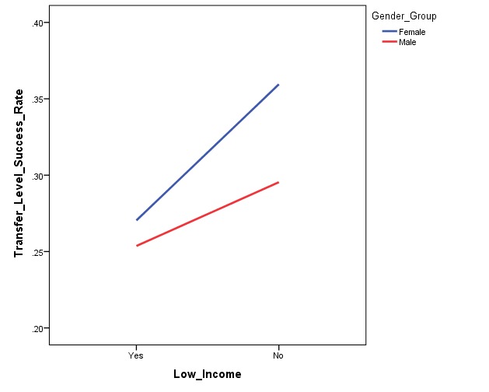
3 Terms | 2,247 | 1,469 | 65.4%
4 Terms | 2,307 | 1,532 | 66.4%
5 Terms | 2,360 | 1,574 | 66.7%
All Terms | 2,434 | 1,645 | 67.6% |  | Lower income students show lower success rate than
Note: # terms = subsequent # of primary terms |  |  |  |  | non-low income students

Logistic Regression Criteria: Based on total n, not attempted n
Predictors: Age, ethnicity, gender, income status
Outcome: Transfer level course success - all terms
Reference groups: Youngest (age <= 19 years), White, male, not low income

Model 1a: significant, explained 4.6% of the variance in transfer level course success
1) Age: Overall significant effect
Age 25-34 students are 1.25 times more likely to exhibit success in transfer level course than youngest students
2) Ethnicity: Overall significant effect
African American students are .45 time less likely to exhibit success in transfer level course than White students
Hispanic students are .62 times less likely to exhibit success in transfer level course than White students
3) Gender: Overall significant effect
Female students are 1.26 times more likely to exhibit success in transfer level course than male students
4) Income: Overall significant effect
Low income students are .80 times less likely to exhibit success in transfer level course than non-low income students

Model 2: not significant for CalWORKs, DSPS, Foster Youth, or Veterans
1) EOPS students (n = 82) are 2.11 times more likely to exhibit success for transfer level course than non-EOPS students

Model 3: Interaction between age and income or gender and income not significant
No significant interaction between ethnicity and gender
Marginally significant interaction between ethnicity and income (p = .07):
African American low income students, Hispanic low income students

Model 1b:
1) Age: significant effect, .06% of variance
Age 25-34 students are 1.34 times more likely to exhibit success in transfer level course than youngest students
2) Ethnicity: significant effect, 2.9% of variance
African American students are .43 time less likely to exhibit success in transfer level course than White students
Hispanic students are .59 times less likely to exhibit success in transfer level course than White students
3) Gender: significant effect, 0.2% of variance
Female students are 1.20 times more likely to exhibit success in transfer level course than male students
4) Income: significant effect, 1.4% of variance
Low income students are .73 times less likely to exhibit success in transfer level course than non-low income students

Pretran TLC Attempt & Success
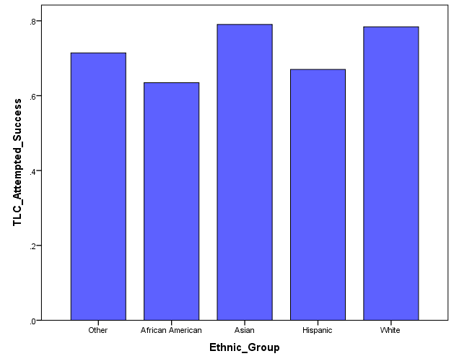
Pre-transfer Math courses (201, 203, 206): Progression to Transfer Level Courses Success
Summer 2008 to Spring 2014, ONLY students who attempted TLC
Distinct headcount
Transfer level course attempts counted in all terms subsequent to Math 201, 203 or 206

 | Transfer Level Course
Math 201, 203, 206 | Attempted n | Success n | Success Rate
M08 to S14 | 2,279 | 1,634 | 71.7%

Logistic Regression Criteria: Based on total n, not attempted n
Predictors: Age, ethnicity, gender, income status
Outcome: Transfer level course attempted and success
Reference groups: Youngest (age <= 19 years), White, male, not low income

Model 1a: significant, explained 4.0% of the variance in transfer level course success
1) Age: Overall significant effect
Age 25-34 students are 1.52 times more likely to exhibit success in transfer level course than youngest students
2) Ethnicity: Overall significant effect
African American students are .48 time less likely to exhibit success in transfer level course than White students
Hispanic students are .60 times less likely to exhibit success in transfer level course than White students
3) Gender: Overall significant effect
Female students are 1.27 times more likely to exhibit success in transfer level course than male students
4) Income: No significant effect

Model 2: not significant for CalWORKs, EOPS, Foster Youth, or Veterans
1) DSPS students (n = 95) are .63 times less likely to exhibit success for transfer level course than non-DSPS students

Model 3: Interaction between age and income, age and ethnicity, or gender and income not significant
No significant interaction between ethnicity and gender

Model 1b:
1) Age: significant effect, .09% of variance
Age 25-34 students are 1.57 times more likely to exhibit success in transfer level course than youngest students
2) Ethnicity: significant effect, 2.5% of variance
African American students are .48 time less likely to exhibit success in transfer level course than White students
Hispanic students are .56 times less likely to exhibit success in transfer level course than White students
3) Gender: Marginally significant effect, 0.3% of variance
Female students are 1.23 times more likely to exhibit success in transfer level course than male students
4) Income: significant effect, 0.7% of variance
Low income students are .81 times less likely to exhibit success in transfer level course than non-low income students

Math 13 Success
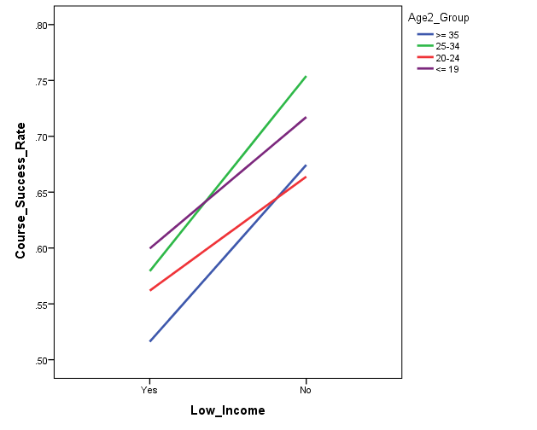
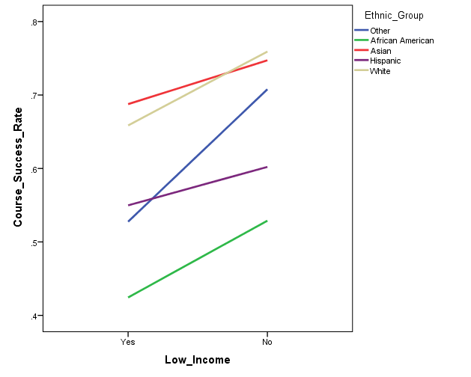
Transfer Math Courses: Course Success (13 - statistics)
Summer 2008 to Fall 2014 (n = 5,801)

Course | Total n | Success Rate
Math 13 | 5,801 | 62.4%

Logistic Regression Criteria:
Predictors: Age, ethnicity, gender, income status
Outcome: Course success
Reference groups: Youngest (age <= 19 years), White, male, not low income

Model 1a: significant, explained 6.7% of the variance in course success
1) Age: Overall significant effect
Age 20-24 students are .84 times less likely to exhibit course success than youngest students |  |  | 20-24 age group shows lower success rate than youngest group | African American and Hispanic students show lower
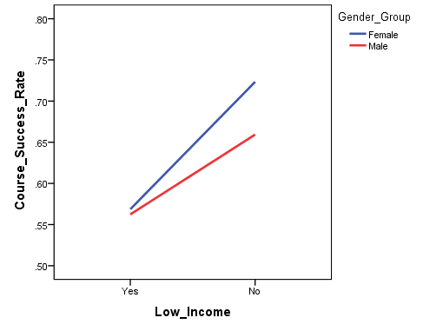
2) Ethnicity: Overall significant effect |  |  |  | success rate than White students
African American students are .39 times less likely to exhibit course success than White students
Hispanic students are .61 times less likely to exhibit course success than White students
3) Gender: Overall significant effect
Female students are 1.21 times more likely to exhibit course success than male students |  |  |  | Lower income students show lower success rate than
4) Income: Overall significant effect |  |  |  | non-low income students
Low income students are .62 times less likely to exhibit course success than non-low income students

Model 2: Not significant for CalWORKs, DSPS, EOPS, Foster Youth, or Veterans

Model 3: Interaction between age and income, gender and income not significant
Significant ethnicity by income interaction
Significant for only unknown income groups
No significant interaction between ethnicity and gender
 |  |  | Female students show higher success rate than male students

Model 1b:
1) Age: significant effect, 0.4% of variance*
Age 20-24 students are .80 times less likely to exhibit course success than youngest students
Age >= 35 students are .80 times less likely to exhibit course success than youngest students*
2) Ethnicity: significant effect, 4.5% of variance
African American students are .36 times less likely to exhibit course success than White students
Hispanic students are .55 times less likely to exhibit course success than White students
3) Gender: significant effect, 0.2% of variance
Female students are 1.15 times more likely to exhibit course success than male students
4) Income: significant effect, 2.4% of variance
Low income students are .57 times less likely to exhibit course success than non-low income students

Math 13 Persistence
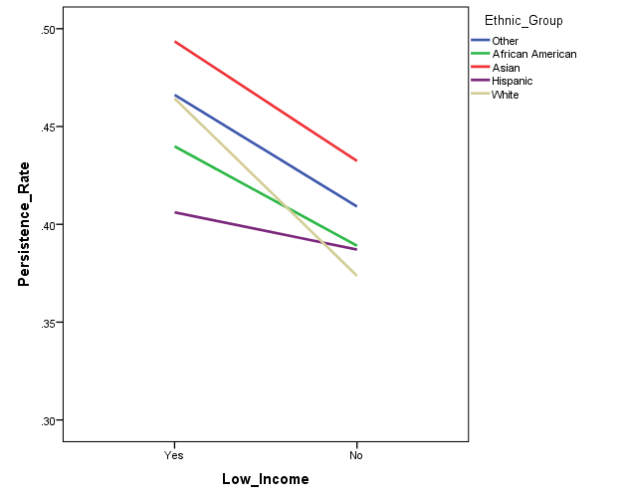
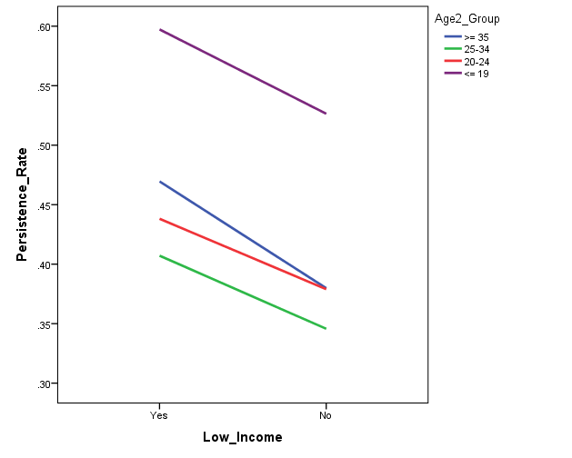
Transfer Math Courses: Persistence to the subsequent term (13) within BCC
Summer 2008 to Spring 2015 (n = 5,841)

Subsequent Term | Total n | Persistence Rate
Math 13 | 5,801 | 42.2%

One term persistence
Logistic Regression Criteria:
Predictors: Age, ethnicity, gender, income status
Outcome: Course completion
Reference groups: Youngest (age <= 19 years), White, male, not low income

Model 1a: significant, explained 3.1% of the variance in persistence to the subsequent term
1) Age: Overall significant effect
Age 20-24 students are .56 times less likely to exhibit persistence than youngest students |  |  | All 3 older age groups show lower persistence than youngest age group | Hispanic students show lower persistence rate
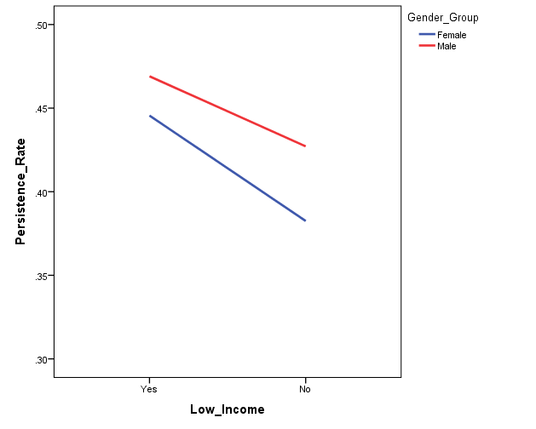
Age 25-34 students are .50 times less likely to exhibit persistence than youngest students |  |  |  | than White students
Age >= 35 students are .61 times less likely to exhibit persistence than youngest students
2) Ethnicity: Overall significant effect
Hispanic students are .82 times less likely to exhibit persistence than White students
3) Gender: Overall significant effect |  |  |  | Low income students show higher persistence
Female students are .87 times less likely to exhibit persistence than male students |  |  |  | rate than non-low income students
4) Income: Overall significant effect
Low income students are 1.33 times more likely to exhibit persistence than non-low income students

Model 2: Not significant for CalWORKs, Foster Youth, or Veterans
1) DSPS students (n=175) are 2.0 times more likely to exhibit persistence than non-DSPS students
2) EOPS students (n=222) are 4.38 times more likely to exhibit persistence than non-EOPS students

Model 3: Interaction between age and income, ethnic group and Income, gender and income not significant
No significant interaction between ethnicity and gender |  |  | Female students show lower persistence rate than male students

Model 1b:
1) Age: significant effect, 1.5% of variance
Age 20-24 students are .59 times less likely to exhibit persistence than youngest students
Age 25-34 students are .52 times less likely to exhibit persistence than youngest students
Age >= 35 students are .58 times less likely to exhibit persistence than youngest students
2) Ethnicity: significant effect, 0.4% of variance*
Asian students are 1.25 times more likely to exhibit persistence than White students*
3) Gender: significant effect, 0.2% of variance
Female students are .88 times less likely to exhibit persistence than male students
4) Income: significant effect, 0.9% of variance
Low income students are 1.27 times more likely to exhibit persistence than non-low income students

