ESL Success
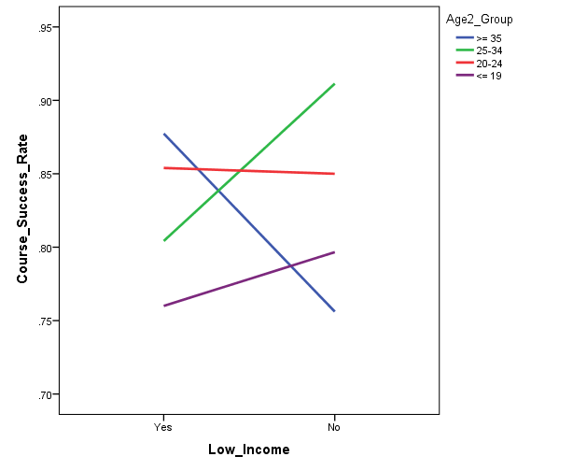
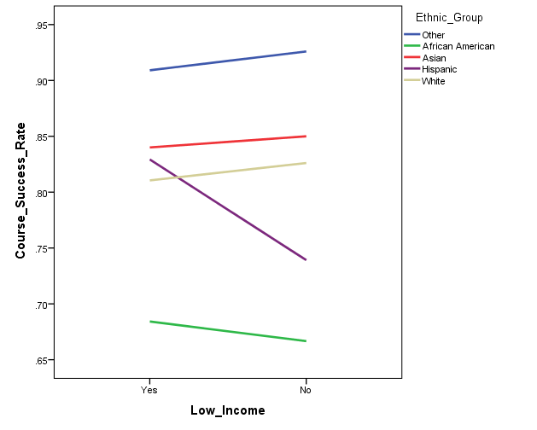
ESL Courses: Course Success for High Intermediate (216A/B, 223A/B, 233A/B)
Fall 2012 to Fall 2014

Course | Total n | Success Rate
216 A/B | 212 | 90.1%
223 A/B | 317 | 78.9%
233 A/B | 177 | 83.1%
Total | 706 | 83.3%

Course | Total n | Success Rate
223A | 286 | 79.7%
223B | 31 | 71.0%

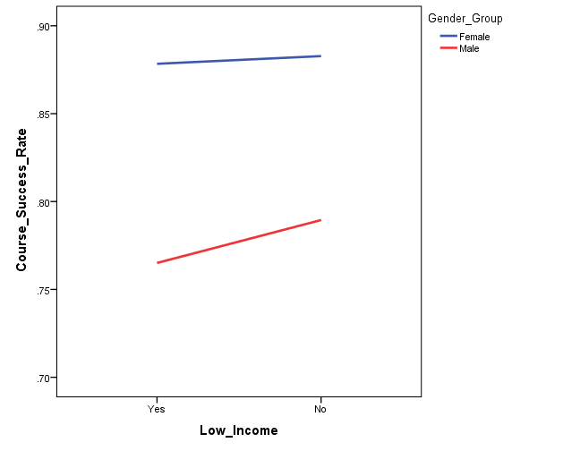
Logistic Regression Criteria:
Predictors: Age, ethnicity, gender, income status
Outcome: Course success rate
Reference groups: Youngest (age <= 19 years), White, male, not low income

Model 1a: significant, explained 4.8% of the variance in course success
1) Age: Not significant
2) Ethnicity: Not significant
3) Gender: Overall significant effect
Female students are 1.88 times more likely to exhibit course success than male students
4) Income: Not significant

Model 2: Sample sizes for CalWORKs, DSPS, EOPS, Foster Youth, and Veterans too small to assess effects

Model 3: Sample sizes too small to assess interactions

Model 1b:
1) Age: Not significant |  |  | Female students show higher success rate than male students
2) Ethnicity: Not significant
3) Gender: significant effect, 2.1% of variance
Female students are 1.84 times more likely to exhibit course success than male students
4) Income: Not significant

216A/B - Grammar, 223A/B - Reading & Writing, 233A/B - Listening & Speaking

ESL Persistence
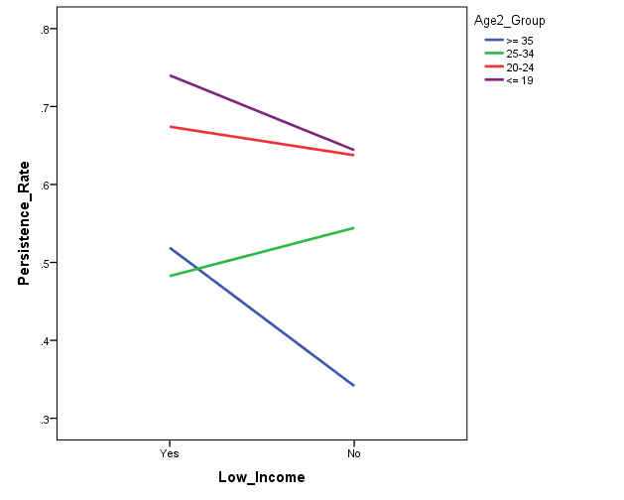
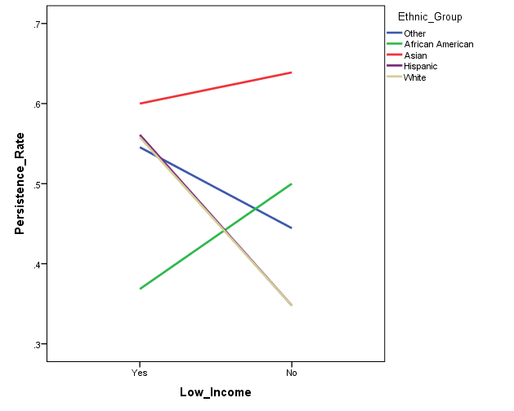
ESL Courses: Persistence (216A/B, 223A/B, 233A/B) within BCC
Fall 2012 to Spring 2015

Subsequent Term | Total n | Persistence Rate
216 A/B | 212 | 51.4%
223 A/B | 317 | 63.7%
233 A/B | 177 | 51.4%
Total | 706 | 56.9%

One term persistence
Logistic Regression Criteria:
Predictors: Age, ethnicity, gender, income status
Outcome: Course success rate
Reference groups: Youngest (age <= 19 years), White, male, not low income
 |  |  | 25-34 and >= 35 age groups show lower persistence than
Model 1a: significant, explained 5.6% of the variance in persistence to the subsequent term |  |  | the youngest students
1) Age: Overall significant effect
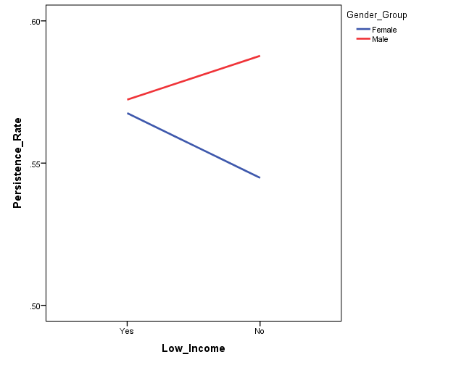
Age 25-34 students are .51 times less likely to exhibit persistence than youngest students
Age >= 35 students are .45 times less likely to exhibit persistence than youngest students
2) Ethnicity: Not significant
3) Gender: Not significant
4) Income: Not significant

Model 2: Sample sizes for CalWORKs, DSPS, EOPS, Foster Youth, and Veterans too small to assess effects

Model 3: Sample sizes too small to assess interactions

Model 1b:
1) Age: significant effect, 4.2% of variance
Age 25-34 students are .48 times less likely to exhibit persistence than youngest students
Age >= 35 students are .42 times less likely to exhibit persistence than youngest students
2) Ethnicity: significant effect, 2.2% of variance
Asian students are 1.55 times more likely to exhibit persistence than White students
3) Gender: Not significant
4) Income: Not significant

Subsequent Term | Total n | Persistence Rate
223A | 286 | 64.0%
223B | 31 | 61.3%

*Persistence does not include students enrolled in pre-transfer courses for Spring 15

ESL223 Transfer Course Attempt
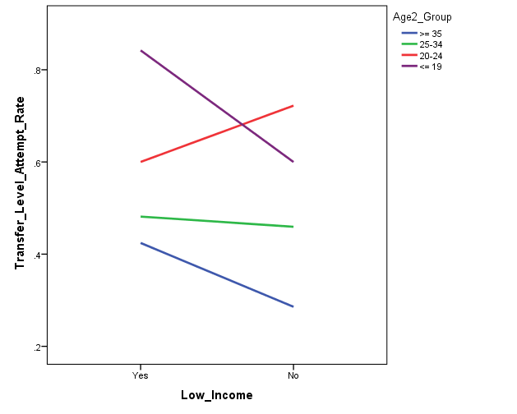
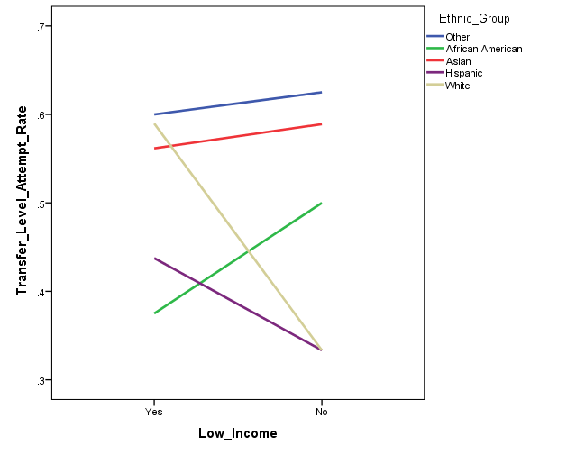
ESL 223A/B: Progression to Transfer Level Courses (ESL 52A, English 1A) Attempted
Fall 2012 to Fall 2014
No duplicate students (223A = 259, 223B = 29)
Transfer level course attempts counted in all terms subsequent to ESL 223A/B
Subsequent attempts at any college in the district

 | Total n | Attempt Rate
Attempt | 287 | 53.3%

 | Transfer Level Course
ESL 223A/B | Total n | Attempt n | Attempt Rate
Fall 2012 | 67 | 47 | 70.1%
Spring 2013 | 43 | 22 | 51.2%
Fall 2013 | 59 | 33 | 55.9%
Spring 2014 | 63 | 27 | 42.9%
Fall 2014 | 55 | 24 | 43.6%
 |  |  |  | 25-34 and >= 35 age groups show lower attempt rates than
 |  |  |  | the youngest students
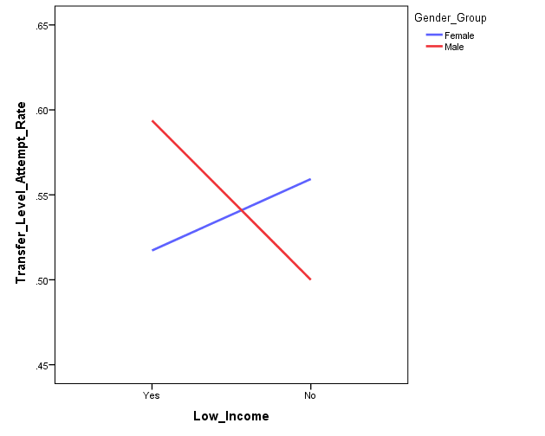
Logistic Regression Criteria:
Predictors: Age, ethnicity, gender, income status
Outcome: Progression to transfer level courses attempted - all terms
Reference groups: Youngest (age <= 19 years), White, male, not low income

Model 1a: significant, explained 11.1% of the variance in transfer level course attempted
1) Age: Overall significant effect
Age 25-34 students are .27 times less likely to attempt transfer level courses than youngest students
Age >= 35 students are .20 times less likely to attempt transfer level courses than youngest students
2) Ethnicity: Not significant
3) Gender: Not significant
4) Income: Not significant

Model 2: Sample sizes for CalWORKs, DSPS, EOPS, Foster Youth, and Veterans too small to assess effects

Model 3: Sample sizes too small to assess interactions

Model 1b:
1) Age: significant effect, 8.3% of variance
Age 25-34 students are .29 times less likely to attempt transfer level courses than youngest students
Age >= 35 students are .23 times less likely to attempt transfer level courses than youngest students
2) Ethnicity: Not significant
3) Gender: Not significant
4) Income: Not significant

ESL223 Transfer Course Success
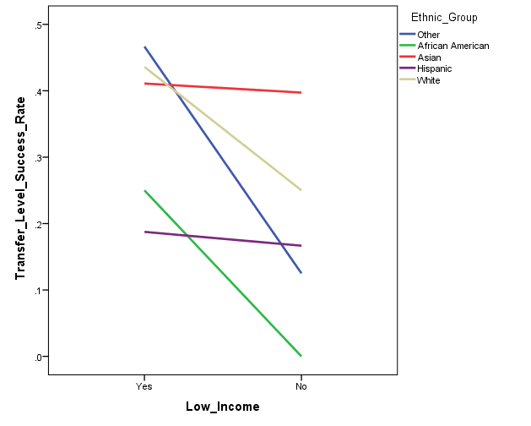
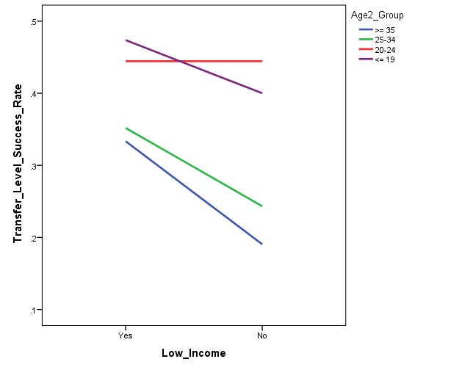
ESL 223A/B: Progression to Transfer Level Courses (ESL 52A, English 1A) Success
Fall 2012 to Spring 2014
No duplicate students (223A = 203, 223B = 23)
Transfer level course attempts counted in all terms subsequent to ESL 223A/B

 | Total n | Success Rate
Success | 287 | 33.4%

 | Transfer Level Course
ESL 223A/B | Total n | Total n | Success Rate
Fall 2012 | 67 | 40 | 59.7%
Spring 2013 | 43 | 18 | 41.9%
Fall 2013 | 59 | 27 | 45.8%
Spring 2014 | 63 | 11 | ~17.5%
Fall 2014 | 55 | * | *
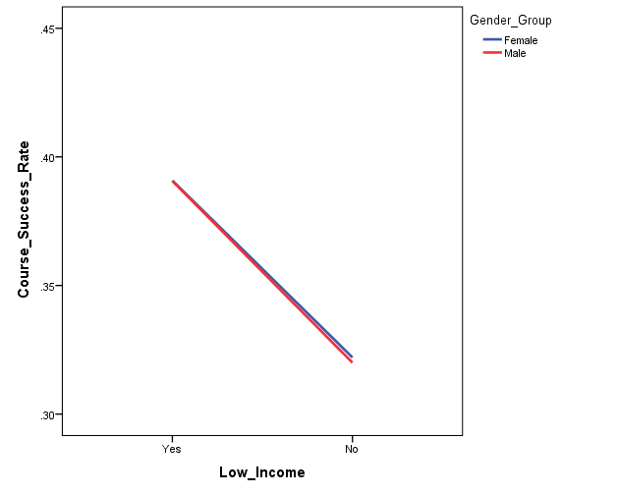
F12 to F13 Total | 169 | 85 | 50.3%

 | Transfer Level Course
ESL 223A/B | Attempted n | Success n | Success Rate
Fall 2012 | 47 | 40 | 85.1%
Spring 2013 | 22 | 18 | 81.8%
Fall 2013 | 33 | 27 | 81.8%
Spring 2014 | 27 | 11 | ~40.7%
Fall 2014 | 24 | * | *

F12 to F13 Total | 102 | 85 | 83.3%

* no data for Spring 2015

Logistic Regression Criteria:
Predictors: Age, ethnicity, gender, income status
Outcome: Transfer level course success - all terms
Reference groups: Youngest (age <= 19 years), White, male, not low income

Model 1a: Significant, explained 11.4% of the variance in transfer level course success
1) Age: Not significant
2) Ethnicity: Overall significant effect
3) Gender: Not significant
4) Income: Overall significant effect - Effect for unknown income group only (.17)

Model 2: Sample sizes for CalWORKs, DSPS, EOPS, Foster Youth, and Veterans too small to assess effects

Model 3: Sample sizes too small to assess interactions

Model 1b:
1) Age: Not significant
2) Ethnicity: Overall significant effect
3) Gender: Not significant
4) Income: significant effect, 5.6% of variance
Effect for unknown income group only (.18)

Sample sizes too small to assess success only for those who attempt TLC

